CVA Field 18 Biome
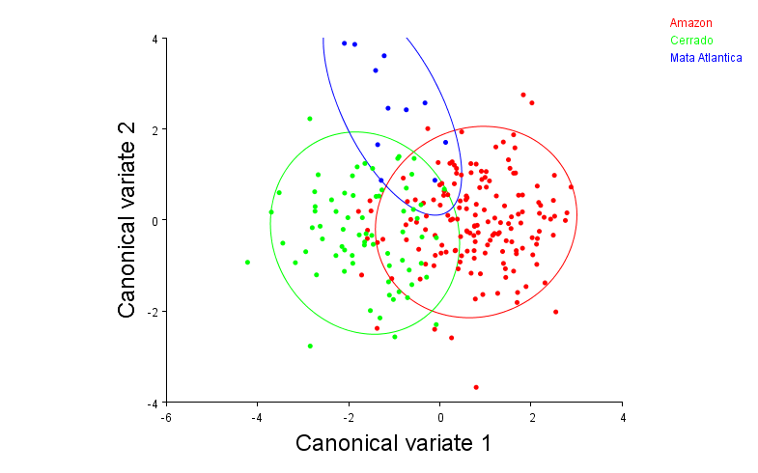
 | Groups | Observations
 | 1 | Amazon | 159
 | 2 | Cerrado | 71
 | 3 | Mata Atlantica | 11

 | Variation among groups, scaled by the inverse of the within-group variation

 |  | Eigenvalues | % Variance | Cumulative %
 | 1 | 1.28814453 | 80.711 | 80.711
 | 2 | 0.30784507 | 19.289 | 100

 | Mahalanobis distances among groups:

 |  | Amazon | Cerrado
 | Cerrado | 2.4605
 | Mata Atlantica | 3.1149 | 2.8236

 | P-values from permutation tests (10000 permutation rounds) for Mahalanobis distances among groups:

 |  | Amazon | Cerrado
 | Cerrado | <.0001
 | Mata Atlantica | <.0001 | <.0001

 | Procrustes distances among groups:

 |  | Amazon | Cerrado
90% Confidence Elipse | Cerrado | 0.0146
 | Mata Atlantica | 0.0227 | 0.0173

 | P-values from permutation tests (10000 permutation rounds) for Procrustes distances among groups:

 |  | Amazon | Cerrado
 | Cerrado | <.0001
 | Mata Atlantica | 0.0034 | 0.0682

CVA Field 18 Latitude
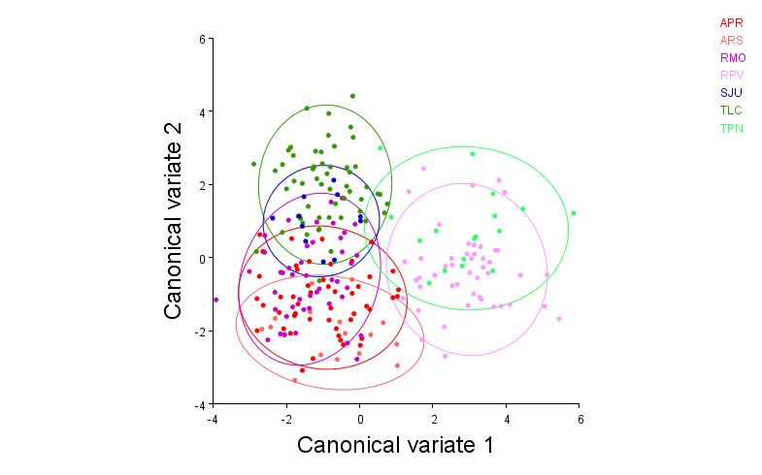
 | Dataset: Field 18 all master
 | Classification criterion: Locality

 | Groups | Observations
 | 1 | APR | 50
 | 2 | ARS | 17
 | 3 | RMO | 45
 | 4 | RPV | 47
 | 5 | SJU | 11
 | 6 | TLC | 54
 | 7 | TPN | 17

 | Variation among groups, scaled by the inverse of the within-group variation

 |  | Eigenvalues | % Variance | Cumulative %
 | 1 | 3.22179807 | 53.694 | 53.694
 | 2 | 1.65946781 | 27.657 | 81.351
 | 3 | 0.49323459 | 8.22 | 89.571
 | 4 | 0.29256396 | 4.876 | 94.447
 | 5 | 0.23954041 | 3.992 | 98.439
 | 6 | 0.09363645 | 1.561 | 100

 | Mahalanobis distances among groups:

 |  | APR | ARS | RMO | RPV | SJU | TLC
 | ARS | 1.7895
 | RMO | 1.8308 | 2.5093
90% Confidence Elipse | RPV | 4.1091 | 4.4283 | 4.5022
 | SJU | 3.4508 | 4.1384 | 2.977 | 4.9272
 | TLC | 3.1466 | 4.2208 | 2.9916 | 4.5649 | 3.014
 | TPN | 4.8761 | 5.0438 | 4.8565 | 2.7394 | 4.8598 | 4.5795

 | P-values from permutation tests (10000 permutation rounds) for Mahalanobis distances among groups:

 |  | APR | ARS | RMO | RPV | SJU | TLC
 | ARS | 0.0708
 | RMO | <.0001 | <.0001
 | RPV | <.0001 | <.0001 | <.0001
 | SJU | <.0001 | <.0001 | <.0001 | <.0001
 | TLC | <.0001 | <.0001 | <.0001 | <.0001 | <.0001
 | TPN | <.0001 | <.0001 | <.0001 | <.0001 | <.0001 | <.0001

 | Procrustes distances among groups:

 |  | APR | ARS | RMO | RPV | SJU | TLC
 | ARS | 0.0116
 | RMO | 0.0186 | 0.0241
 | RPV | 0.0384 | 0.0399 | 0.0393
 | SJU | 0.0258 | 0.0306 | 0.0203 | 0.0393
 | TLC | 0.0184 | 0.0264 | 0.0176 | 0.0361 | 0.0179
 | TPN | 0.0495 | 0.0515 | 0.0429 | 0.023 | 0.0401 | 0.0424

 | P-values from permutation tests (10000 permutation rounds) for Procrustes distances among groups:

 |  | APR | ARS | RMO | RPV | SJU | TLC
 | ARS | 0.154
 | RMO | <.0001 | <.0001
 | RPV | <.0001 | <.0001 | <.0001
 | SJU | 0.0001 | 0.0003 | 0.0001 | <.0001
 | TLC | <.0001 | <.0001 | <.0001 | <.0001 | 0.0083
 | TPN | <.0001 | <.0001 | <.0001 | 0.0002 | <.0001 | <.0001

PCA Field 18 Bio_Lat
 | Principal Component Analysis: PCA: CovMatrix, Field 18 all master, Procrustes coordinates

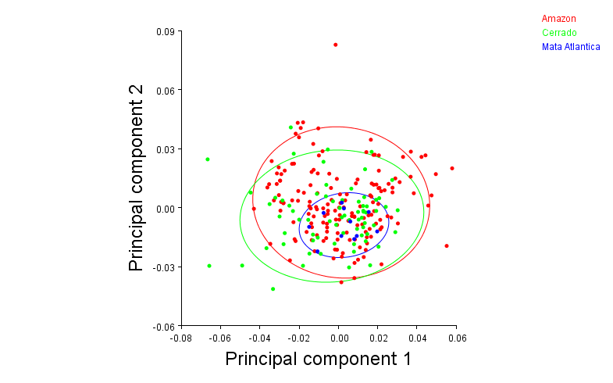
 |  | Eigenvalues | % Variance | Cumulative %
 | 1 | 0.00043732 | 27.936 | 27.936
 | 2 | 0.00029976 | 19.148 | 47.084

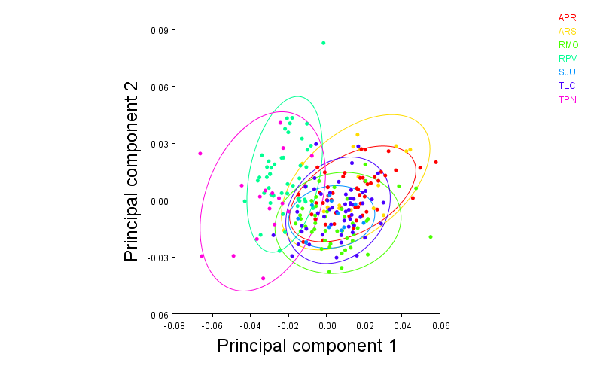

90% Confidence Elipse

